Sheet1
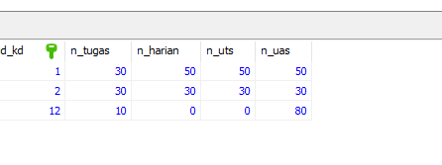
50 | 50 | 50
30 | 30 | 30
0 | 0 | 80
53.333333333 | 26.666666667 | 53.333333333 | 33.333333333

